Folha4
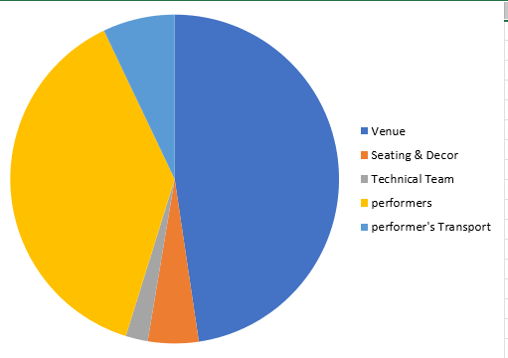

 | sheet2.getRangeByName('A11').setText('Venue');
 | sheet2.getRangeByName('A12').setText('Seating & Decor');
 | sheet2.getRangeByName('A13').setText('Technical Team');
 | sheet2.getRangeByName('A14').setText('performers');
 | sheet2.getRangeByName('A15').setText('performer\'s Transport');
 | sheet2.getRangeByName('B11:B15').numberFormat = '\$#,##0_)';
 | sheet2.getRangeByName('B11').setNumber(17500);
 | sheet2.getRangeByName('B12').setNumber(1828);
 | sheet2.getRangeByName('B13').setNumber(800);
 | sheet2.getRangeByName('B14').setNumber(14000);
 | sheet2.getRangeByName('B15').setNumber(2600);
 | // Create an instances of chart collection.
 | final ChartCollection charts = ChartCollection(sheet2);
 | // Add the chart.
 | final Chart chart1 = charts.add();
 | // Set Chart Type.
 | chart1.chartType = ExcelChartType.pie;
 | // Set data range in the worksheet.
Pie Chart | chart1.dataRange = sheet2.getRangeByName('A11:B15');
 | chart1.isSeriesInRows = false;
 | // set charts to worksheet.
 | sheet2.charts = charts;

Folha1
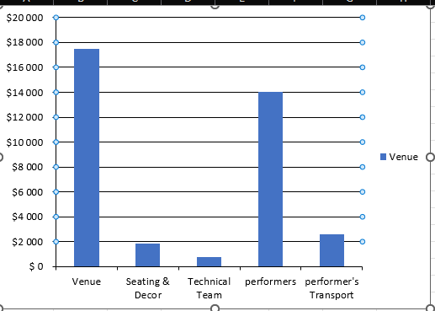
 | sheet2.getRangeByName('A11').setText('Venue');
 | sheet2.getRangeByName('A12').setText('Seating & Decor');
 | sheet2.getRangeByName('A13').setText('Technical Team');
 | sheet2.getRangeByName('A14').setText('performers');
 | sheet2.getRangeByName('A15').setText('performer\'s Transport');
 | sheet2.getRangeByName('B11:B15').numberFormat = '\$#,##0_)';
 | sheet2.getRangeByName('B11').setNumber(17500);
 | sheet2.getRangeByName('B12').setNumber(1828);
 | sheet2.getRangeByName('B13').setNumber(800);
 | sheet2.getRangeByName('B14').setNumber(14000);
 | sheet2.getRangeByName('B15').setNumber(2600);
 | // Create an instances of chart collection.
 | final ChartCollection charts = ChartCollection(sheet2);
 | // Add the chart.
 | final Chart chart1 = charts.add();
 | // Set Chart Type.
 | chart1.chartType = ExcelChartType.column;
 | // Set data range in the worksheet2.
 | chart1.dataRange = sheet2.getRangeByName('A11:B15');
 | chart1.isSeriesInRows = false;
Column Chart | // set charts to worksheet2.
 | sheet2.charts = charts;

Gráficos
Items | Amount(in $) | Count
Beverages | 2776 | 925
Condiments | 1077 | 378 |  | sheet2.getRangeByName('A1').setText('Items');
Confections | 2287 | 880 |  | sheet2.getRangeByName('B1').setText('Amount(in \$)');
Dairy Products | 1368 | 581 |  | sheet2.getRangeByName('C1').setText('Count');
Grains / Cereals | 3325 | 189 |  | sheet2.getRangeByName('A2').setText('Beverages');
 |  |  |  | sheet2.getRangeByName('A3').setText('Condiments');
 |  |  |  | sheet2.getRangeByName('A4').setText('Confections');
 |  |  |  | sheet2.getRangeByName('A5').setText('Dairy Products');
 |  |  |  | sheet2.getRangeByName('A6').setText('Grains / Cereals');
 |  |  |  | sheet2.getRangeByName('B2').setNumber(2776);
 |  |  |  | sheet2.getRangeByName('B3').setNumber(1077);
 |  |  |  | sheet2.getRangeByName('B4').setNumber(2287);
 |  |  |  | sheet2.getRangeByName('B5').setNumber(1368);
 |  |  |  | sheet2.getRangeByName('B6').setNumber(3325);
 |  |  |  | sheet2.getRangeByName('C2').setNumber(925);
 |  |  |  | sheet2.getRangeByName('C3').setNumber(378);
 |  |  |  | sheet2.getRangeByName('C4').setNumber(880);
 |  |  |  | sheet2.getRangeByName('C5').setNumber(581);
 |  |  |  | sheet2.getRangeByName('C6').setNumber(189);
 |  |  | BAR CHART | // Create an instances of chart collection.
 |  |  |  | final ChartCollection charts = ChartCollection(sheet2);
 |  |  |  | // Add the chart.
 |  |  |  | final Chart chart1 = charts.add();
 |  |  |  | //Set Chart Type.
 |  |  |  | chart1.chartType = ExcelChartType.columnStacked;
 |  |  |  | //Set data range in the worksheet.
 |  |  |  | chart1.dataRange = sheet2.getRangeByName('A1:C6');
 |  |  |  | chart1.isSeriesInRows = false;
 |  |  |  | // set charts to worksheet.
 |  |  |  | sheet2.charts = charts;

Folha2
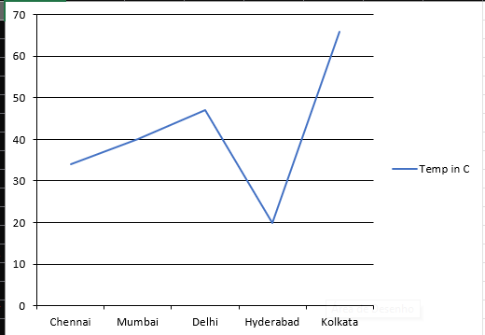

 | sheet2.getRangeByName('A1').setText('City Name');
 | sheet2.getRangeByName('A2').setText('Chennai');
 | sheet2.getRangeByName('A3').setText('Mumbai');
 | sheet2.getRangeByName('A4').setText('Delhi');
 | sheet2.getRangeByName('A5').setText('Hyderabad');
 | sheet2.getRangeByName('A6').setText('Kolkata');
 | sheet2.getRangeByName('B1').setText('Temp in C');
 | sheet2.getRangeByName('B2').setNumber(34);
 | sheet2.getRangeByName('B3').setNumber(40);
 | sheet2.getRangeByName('B4').setNumber(47);
 | sheet2.getRangeByName('B5').setNumber(20);
 | sheet2.getRangeByName('B6').setNumber(66);
 | // Create an instances of chart collection.
 | final ChartCollection charts = ChartCollection(sheet2);
 | // Add the chart.
 | final Chart chart = charts.add();
 | //Set Chart Type.
 | chart.chartType = ExcelChartType.line;
 | //Set data range in the worksheet2.
Line Chart | chart.dataRange = sheet2.getRangeByName('A1:B6');
 | chart.isSeriesInRows = false;
 | // set charts to worksheet2.
 | sheet2.charts = charts;

Folha3
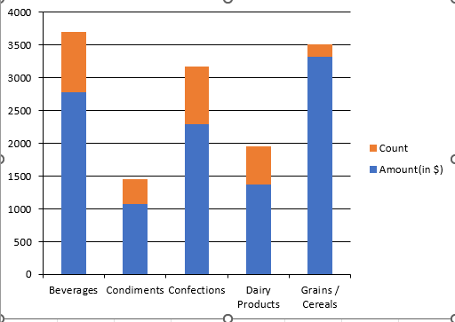

 | sheet2.getRangeByName('A1').setText('Items');
 | sheet2.getRangeByName('B1').setText('Amount(in \$)');
 | sheet2.getRangeByName('C1').setText('Count');
 | sheet2.getRangeByName('A2').setText('Beverages');
 | sheet2.getRangeByName('A3').setText('Condiments');
 | sheet2.getRangeByName('A4').setText('Confections');
 | sheet2.getRangeByName('A5').setText('Dairy Products');
 | sheet2.getRangeByName('A6').setText('Grains / Cereals');
 | sheet2.getRangeByName('B2').setNumber(2776);
 | sheet2.getRangeByName('B3').setNumber(1077);
 | sheet2.getRangeByName('B4').setNumber(2287);
 | sheet2.getRangeByName('B5').setNumber(1368);
 | sheet2.getRangeByName('B6').setNumber(3325);
 | sheet2.getRangeByName('C2').setNumber(925);
 | sheet2.getRangeByName('C3').setNumber(378);
 | sheet2.getRangeByName('C4').setNumber(880);
 | sheet2.getRangeByName('C5').setNumber(581);
 | sheet2.getRangeByName('C6').setNumber(189);
 | // Create an instances of chart collection.
 | final ChartCollection charts = ChartCollection(sheet2);
Stacked chart | // Add the chart.
 | final Chart chart1 = charts.add();
 | //Set Chart Type.
 | chart1.chartType = ExcelChartType.columnStacked;
 | //Set data range in the worksheet.
 | chart1.dataRange = sheet2.getRangeByName('A1:C6');
 | chart1.isSeriesInRows = false;
 | // set charts to worksheet.
 | sheet2.charts = charts;

Folha5
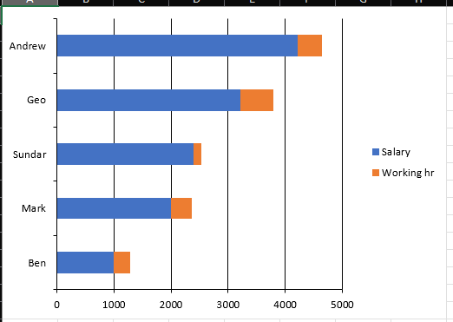

 | sheet2.getRangeByName('A1').setText('Name');
 | sheet2.getRangeByName('B1').setText('Salary');
 | sheet2.getRangeByName('C1').setText('Working hr');
 | sheet2.getRangeByName('A2').setText('Ben');
 | sheet2.getRangeByName('A3').setText('Mark');
 | sheet2.getRangeByName('A4').setText('Sundar');
 | sheet2.getRangeByName('A5').setText('Geo');
 | sheet2.getRangeByName('A6').setText('Andrew');
 | sheet2.getRangeByName('B2').setNumber(1000);
 | sheet2.getRangeByName('B3').setNumber(2000);
 | sheet2.getRangeByName('B4').setNumber(2392);
 | sheet2.getRangeByName('B5').setNumber(3211);
 | sheet2.getRangeByName('B6').setNumber(4211);
 | sheet2.getRangeByName('C2').setNumber(287);
 | sheet2.getRangeByName('C3').setNumber(355);
 | sheet2.getRangeByName('C4').setNumber(134);
 | sheet2.getRangeByName('C5').setNumber(581);
 | sheet2.getRangeByName('C6').setNumber(426);
 | //Create an instances of chart collection.
 | final ChartCollection charts = ChartCollection(sheet2);
Stacked Bar Chart | // Add the chart.
 | final Chart chart1 = charts.add();
 | //Set Chart Type.
 | chart1.chartType = ExcelChartType.barStacked;
 | //Set data range in the worksheet.
 | chart1.dataRange = sheet2.getRangeByName('A1:C6');
 | chart1.isSeriesInRows = false;
 | // set charts to worksheet.
 | sheet2.charts = charts;

Folha6
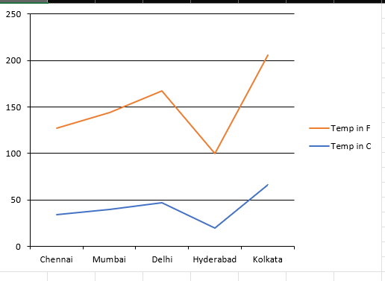

 | sheet2.getRangeByName('A1').setText('City Name');
 | sheet2.getRangeByName('A2').setText('Chennai');
 | sheet2.getRangeByName('A3').setText('Mumbai');
 | sheet2.getRangeByName('A4').setText('Delhi');
 | sheet2.getRangeByName('A5').setText('Hyderabad');
 | sheet2.getRangeByName('A6').setText('Kolkata');
 | sheet2.getRangeByName('B1').setText('Temp in C');
 | sheet2.getRangeByName('B2').setNumber(34);
 | sheet2.getRangeByName('B3').setNumber(40);
 | sheet2.getRangeByName('B4').setNumber(47);
 | sheet2.getRangeByName('B5').setNumber(20);
 | sheet2.getRangeByName('B6').setNumber(66);
 | sheet2.getRangeByName('C1').setText('Temp in F');
 | sheet2.getRangeByName('C2').setNumber(93);
 | sheet2.getRangeByName('C3').setNumber(104);
 | sheet2.getRangeByName('C4').setNumber(120);
 | sheet2.getRangeByName('C5').setNumber(80);
 | sheet2.getRangeByName('C6').setNumber(140);
 | //Create an instances of chart collection.
 | final ChartCollection charts = ChartCollection(sheet2);
 | // Add the chart.
Stacked Line Chart | final Chart chart1 = charts.add();
 | //Set Chart Type.
 | chart1.chartType = ExcelChartType.lineStacked;
 | //Set data range in the worksheet.
 | chart1.dataRange = sheet2.getRangeByName('A1:C6');
 | chart1.isSeriesInRows = false;
 | // set charts to worksheet.
 | sheet2.charts = charts;

Folha7
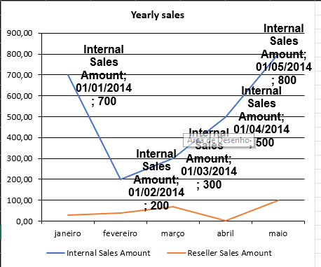

 | sheet2.getRangeByName('A1').setText('Months');
 | sheet2.getRangeByName('B1').setText('Internal Sales Amount');
 | sheet2.getRangeByName('C1').setText('Reseller Sales Amount');
 | sheet2.getRangeByName('A2').setDateTime(DateTime(2014, 01, 14, 14, 14, 14));
 | sheet2.getRangeByName('A3').setDateTime(DateTime(2014, 02, 14, 14, 14, 14));
 | sheet2.getRangeByName('A4').setDateTime(DateTime(2014, 03, 14, 14, 14, 14));
 | sheet2.getRangeByName('A5').setDateTime(DateTime(2014, 04, 14, 14, 14, 14));
 | sheet2.getRangeByName('A6').setDateTime(DateTime(2014, 05, 14, 14, 14, 14));
 | sheet2.getRangeByName('B2').setNumber(700);
 | sheet2.getRangeByName('B3').setNumber(200);
 | sheet2.getRangeByName('B4').setNumber(300);
 | sheet2.getRangeByName('B5').setNumber(500);
 | sheet2.getRangeByName('B6').setNumber(800);
 | sheet2.getRangeByName('C2').setNumber(30);
 | sheet2.getRangeByName('C3').setNumber(40);
 | sheet2.getRangeByName('C4').setNumber(70);
 | sheet2.getRangeByName('C5').setNumber(2);
 | sheet2.getRangeByName('C6').setNumber(100);
 | //Create an instances of chart collection.
Chart elements | final ChartCollection charts = ChartCollection(sheet2);
 | // Add the chart.
 | final Chart chart = charts.add();
 | //Set Chart Type.
 | chart.chartType = ExcelChartType.line;
 | //Set data range in the worksheet.
 | chart.dataRange = sheet2.getRangeByName('A1:C6');
 | chart.isSeriesInRows = false;
 | //setting chart tile with font properties
 | chart.chartTitle = 'Yearly sales';
 | chart.chartTitleArea.bold = true;
 | chart.chartTitleArea.size = 12;
 | //setting legend position.
 | chart.legend?.position = ExcelLegendPosition.bottom;
 | //setting the chart position.
 | chart.topRow = 0;
 | chart.bottomRow = 20;
 | chart.leftColumn = 1;
 | chart.rightColumn = 8;
 | //setting Axis number format.
 | chart.primaryCategoryAxis.numberFormat = 'mmmm';
 | chart.primaryValueAxis.numberFormat = '0.00';
 | //setting datalabels
 | final ChartSerie serie = chart.series[0];
 | serie.dataLabels.isValue = true;
 | serie.dataLabels.isCategoryName = true;
 | serie.dataLabels.isSeriesName = true;
 | serie.dataLabels.textArea.bold = true;
 | serie.dataLabels.textArea.size = 12;
 | serie.dataLabels.textArea.fontName = 'Arial';
 | // set charts to worksheet.
 | sheet2.charts = charts;

